Hoja1
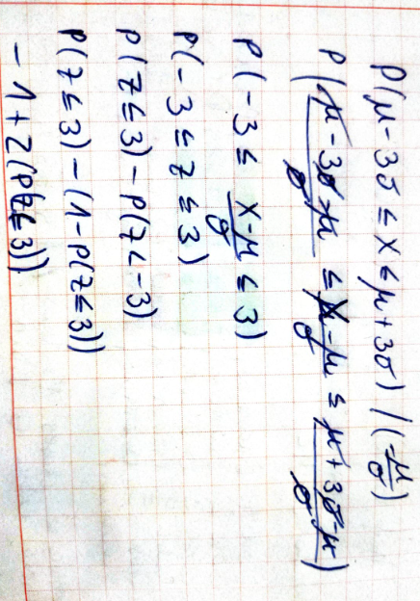

P(z<=3) | 0.99865010197

P(mu-3sigma<=x<=mu+3sigma) = |  | 0.99730020394

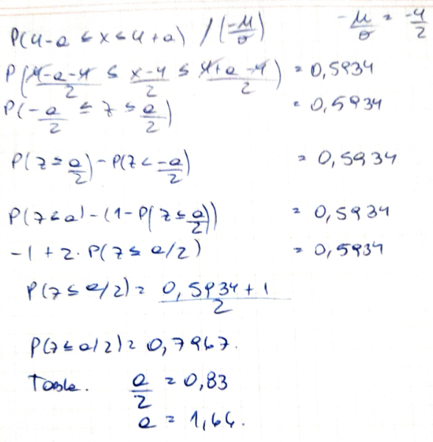

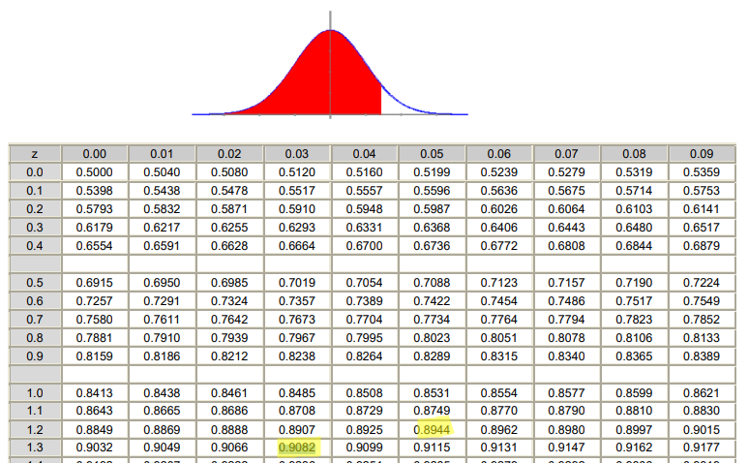

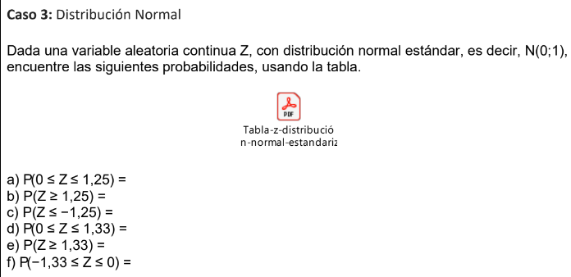
 |  |  | 1.25 | = | 0.8944
 |  |  | 1.33 | = | 0.9082
 |  |  | 0 | = | 0.5

a) P(0 ≤ Z ≤ 1,25) = P(Z ≤ 1,25) -P(Z ≤0)= |  | 0.3944

b) P(Z ≥ 1,25) = | 0.1056

c) P(Z ≤ −1,25) = | 0.1056

d) P(0 ≤ Z ≤ 1,33) = P(Z ≤ 1,33) -P(Z ≤0)= |  | 0.4082

e) P(Z ≥ 1,33) = | 0.0918

f) P(−1,33 ≤ Z ≤ 0) = P(Z ≤ 0) - (1-P(Z ≤1,33))= |  | 0.4082

